Instructions
To create a Weight, Target Weight and BMI Tracker Dashboard Chart, go to the Weight Detail worksheet.

Fill in all the red text shown below:

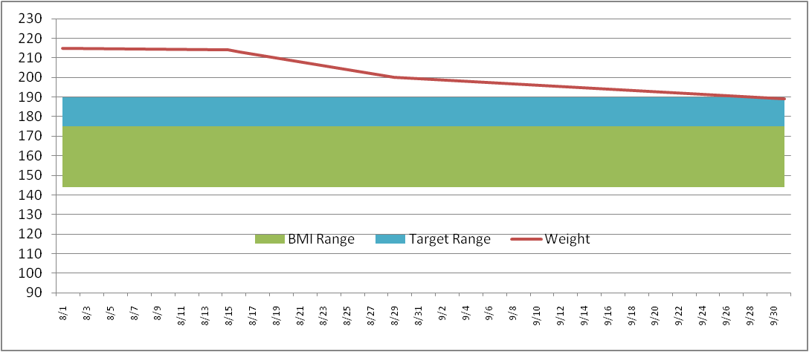
Enter in your NEAREST height in Inches (minimum 58 inches)
Height (inches) | 70

Then enter your target weight range minimum and maximum
Target Weight
Min | 175
Max | 185

Then fill in your last and most current weigh in dates and weight
Date | Weight | BMI Low | BMI Range | Target Low | Target Range
2011-09-01 | 215 | 136 | 36 | 175 | 10
2011-09-02 | 214

This will then build your chart ==================================>
* Current weight line (Red line)
* Target weight range (Blue band)
* Normal BMI weight range (Green band)
The Chart is dynamic and will keep expanding for every date/weight you enter

Weight Detail
Date | Weight | BMI Low | BMI Range | Target Low | Target Range |  | >= 58 Inches
2023-12-01 | 170 | 121 | 32 | 150 | 12 | Height (inches) | 67
2023-12-02 | 170 | 121 | 32 | 150 | 12 | Target Weight | 5 ft 7 in | Normal BMI Range
2023-12-03 | 169 | 121 | 32 | 150 | 12 | Min | 150 | Min | 121
2023-12-04 | 169 | 121 | 32 | 150 | 12 | Max | 162 | Max | 153
2023-12-05 | 169 | 121 | 32 | 150 | 12
2023-12-06 | 169 | 121 | 32 | 150 | 12 | Current Weight | 160 | Current Weight | 160
2023-12-07 | 168 | 121 | 32 | 150 | 12 | Starting Weight | 170 | Previous Weight | 161
2023-12-08 | 168 | 121 | 32 | 150 | 12 | Weight Loss | -10 | Weight Loss | -1
2023-12-09 | 167 | 121 | 32 | 150 | 12
2023-12-10 | 166 | 121 | 32 | 150 | 12
2023-12-11 | 167 | 121 | 32 | 150 | 12
2023-12-12 | 167 | 121 | 32 | 150 | 12
2023-12-13 | 168 | 121 | 32 | 150 | 12
2023-12-14 | 168 | 121 | 32 | 150 | 12
2023-12-15 | 167 | 121 | 32 | 150 | 12
2023-12-16 | 166 | 121 | 32 | 150 | 12
2023-12-17 | 165 | 121 | 32 | 150 | 12
2023-12-18 | 165 | 121 | 32 | 150 | 12
2023-12-19 | 164 | 121 | 32 | 150 | 12
2023-12-20 | 165 | 121 | 32 | 150 | 12
2023-12-21 | 166 | 121 | 32 | 150 | 12
2023-12-22 | 167 | 121 | 32 | 150 | 12
2023-12-23 | 166 | 121 | 32 | 150 | 12
2023-12-24 | 165 | 121 | 32 | 150 | 12
2023-12-25 | 164 | 121 | 32 | 150 | 12
2023-12-26 | 164 | 121 | 32 | 150 | 12
2023-12-27 | 163 | 121 | 32 | 150 | 12
2023-12-28 | 162 | 121 | 32 | 150 | 12
2023-12-29 | 161 | 121 | 32 | 150 | 12
2023-12-30 | 161 | 121 | 32 | 150 | 12
2023-12-31 | 160 | 121 | 32 | 150 | 12

Weight Chart
 | BMI Low | BMI Range | Target Low | Target Range | Weight
12/1/2023 | 121 | 32 | 150 | 12 | 170
12/2/2023 | 121 | 32 | 150 | 12 | 170
12/3/2023 | 121 | 32 | 150 | 12 | 169
12/4/2023 | 121 | 32 | 150 | 12 | 169
12/5/2023 | 121 | 32 | 150 | 12 | 169
12/6/2023 | 121 | 32 | 150 | 12 | 169
12/7/2023 | 121 | 32 | 150 | 12 | 168
12/8/2023 | 121 | 32 | 150 | 12 | 168
12/9/2023 | 121 | 32 | 150 | 12 | 167
12/10/2023 | 121 | 32 | 150 | 12 | 166
12/11/2023 | 121 | 32 | 150 | 12 | 167
12/12/2023 | 121 | 32 | 150 | 12 | 167
12/13/2023 | 121 | 32 | 150 | 12 | 168
12/14/2023 | 121 | 32 | 150 | 12 | 168
12/15/2023 | 121 | 32 | 150 | 12 | 167
12/16/2023 | 121 | 32 | 150 | 12 | 166
12/17/2023 | 121 | 32 | 150 | 12 | 165
12/18/2023 | 121 | 32 | 150 | 12 | 165
12/19/2023 | 121 | 32 | 150 | 12 | 164
12/20/2023 | 121 | 32 | 150 | 12 | 165
12/21/2023 | 121 | 32 | 150 | 12 | 166
12/22/2023 | 121 | 32 | 150 | 12 | 167
12/23/2023 | 121 | 32 | 150 | 12 | 166
12/24/2023 | 121 | 32 | 150 | 12 | 165
12/25/2023 | 121 | 32 | 150 | 12 | 164
12/26/2023 | 121 | 32 | 150 | 12 | 164
12/27/2023 | 121 | 32 | 150 | 12 | 163
12/28/2023 | 121 | 32 | 150 | 12 | 162
12/29/2023 | 121 | 32 | 150 | 12 | 161
12/30/2023 | 121 | 32 | 150 | 12 | 161
12/31/2023 | 121 | 32 | 150 | 12 | 160

